MARKOV E MTTF
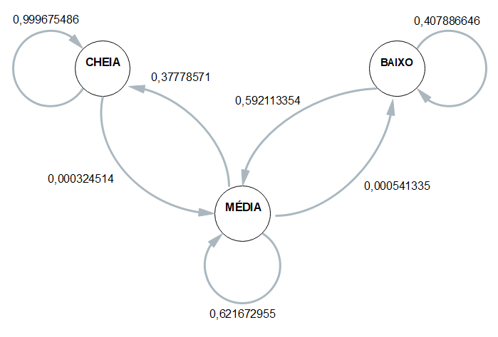
 | ESP1 | ESP2 | ESP3 | ESP4 | MÉDIA
CC | 0.99967553537 | 0.99967159278 | 0.99967928159 | 0.99967553537 | 0.99967548627
CM | 0.00032446463335 | 0.00032840722496 | 0.00032071840924 | 0.00032446463335 | 0.00032451372523
CB | 0 | 0 | 0 | 0 | 0
 | 1 | 1 | 1 | 1 | 1
MC | 0.37313432836 | 0.38469713071 | 0.36190992946 | 0.3914014517 | 0.37778571006
MM | 0.6263326226 | 0.61477151966 | 0.63754747694 | 0.60804020101 | 0.62167295505
MB | 0.00053304904051 | 0.00053134962806 | 0.0005425935974 | 0.00055834729202 | 0.00054133488949
 | 1 | 1 | 1 | 1 | 1
BC | 0 | 0 | 0 | 0 | 0
BM | 0.5306122449 | 0.59375 | 0.53043478261 | 0.71365638767 | 0.59211335379
BB | 0.4693877551 | 0.40625 | 0.46956521739 | 0.28634361233 | 0.40788664621

 | Esp1 | Esp2 | Esp3 | Esp4
Hora Inicial | 1900-01-01 19:42:09 | 1900-01-01 19:46:07 | 1900-01-01 19:49:44 | 1900-01-01 19:55:31 |  | 1900-01-01 19:48:23
Hora Limite 2,8 | 1900-01-01 09:46:35 | 1900-01-01 09:45:28 | 1900-01-01 09:54:53 | 1900-01-01 09:45:50 |  | 1900-01-01 09:48:12
Hora final | 1900-01-01 10:11:35 | 1900-01-01 10:12:44 | 1900-01-01 10:14:29 | 1900-01-01 10:24:21 | MTTF | 1900-01-01 10:15:47
total de horas até 2,8 | 9:55:34 | 10:00:39 | 9:54:51 | 10:09:41 | 10:00:11 | 10:00:11

